Data Information
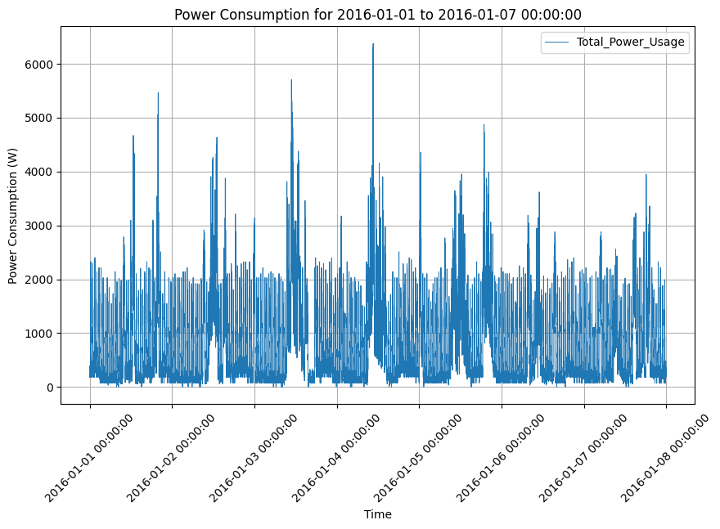
Fig. 2. The total power consumption pattern for a week.
Fig. 1. The selected household is equipped with a range of home appliances, comprising a dishwasher, washing machine, heat pump, refrigerator, electric vehicle (EV), and freezer. Additionally, the graph depicts the power flow of the household throughout a day, presenting information about a stationary photovoltaic renewable energy source and the specifics of grid import and export.

